Sheet1
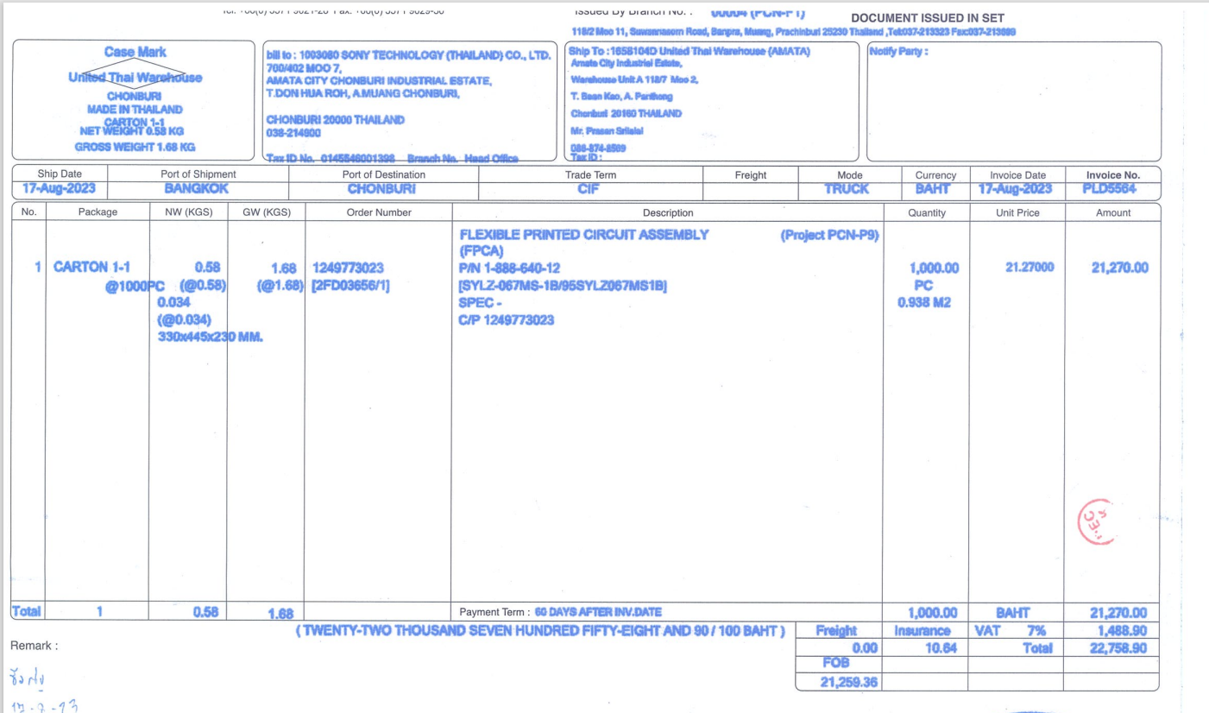

INVOICE_NO

PO_NO
ITEM_NO
QTY
AMOUNT

UNIT_PRICE

